Sheet1
Product Name | Category | Price | Discount Price | Stock | Suitable For | Ingredients | Description | Estimated Delivery | image
lotus phyto deep pore cleansing facewash | lotus professional | 760 | 722 | 4 | All skin types; especially good for oily and acne-prone skin | Basil, thyme and turmeric extracts in a gentle, paraben-free cleansing base; free from artificial fragrance and colour | A deep-pore face wash that uses basil, thyme and turmeric to clear away excess oil and dirt without stripping the skin's natural moisture, leaving skin feeling clean, refreshed and blemish-free. | 2–4 Business Days | 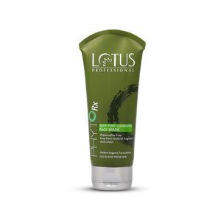
casmara lightening clarifying serum | casmara | 8700 | 8265 | 2 | All skin types; especially suited to mature skin with dark spots or an uneven tone | Liposomal kojic acid, tranexamic acid, mandelic acid, octadecenedioic acid, glycerin, vitamin E | A concentrated night serum that targets pigmentation and uneven tone with a blend of brightening acids, while also improving hydration and elasticity and softening the look of fine lines. | 2–4 Business Days
gk balancing conditioner | homecare product | 3275 | 3100 | 2 | Normal to oily hair and scalp, including colour-treated hair; all textures (straight, wavy, curly) | Juvexin keratin protein blend, natural seed oils, natural plant extracts; free from sulfates, parabens and phthalates | Restores hair’s natural pH. | 2–4 Business Days
farmona vit-c brightening serum | farmona | 2750 | 2600 | 1 | All skin types, particularly dull, tired or pigmented skin | Ascorbic acid (vitamin C), sodium hyaluronate, panthenol, allantoin, glycerin | A lightweight brightening serum that pairs vitamin C with hydrating and soothing ingredients to even out skin tone, reduce the look of discolouration, and leave skin feeling soft and refreshed. | 2–4 Business Day | 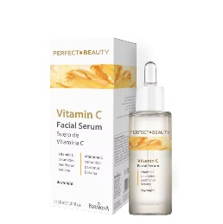
the purest solution niacinamide 5% + zinc PCA intensive pore tightening and lightening serum 30ml | the purest | 2700 | 2565 | 1 | Oily, acne-prone skin and skin with enlarged pores | Niacinamide 5%, Zinc PCA 1%, willow bark (Salix Purpurea) extract, Phellodendron Amurense bark extract, sodium hyaluronate | A pore-refining serum that pairs niacinamide with zinc PCA to help balance sebum production, visibly minimise pores and support a stronger, healthier-looking skin barrier. | 2–4 Business Days | 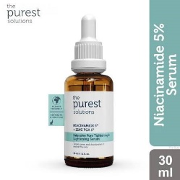
paese long cover fluid 2.5 | paese | 2200 | 2090 | 27 | Normal, dry, sensitive and couperose-prone skin | Vitamins A, C and E, D-panthenol, squalane, titanium dioxide, SPF 6 sun filter | A full-coverage, long-wearing liquid foundation enriched with vitamins and squalane that evens out skin tone, conceals imperfections, and cares for the skin with built-in SPF 6 protection. | 2–4 Business Days | 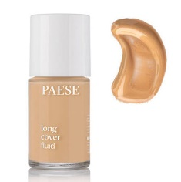
morfose hair serum | others | 1500 | 1200 | 6 | for damaged and frizzy hair | milk protein, amino complex,avocado oil, keratin | Helps Prevent Future Frizz – Strengthens and protects hair fibres, reducing the risk of frizz and dryness over time for healthier, more resilient locks. | 2-4 Business Days | 